Additional Location(5)
 | Additional Location 1 | Instructions to add additional location entries
Q1 | Name of Interested Party
Q2 | Type of Interested Party | Step 1: | Dupliucate the tab named Additional Location(5)
Q3 | City | On Desktop:
Q4 | State | Step 1: | Right click the tab labled "Additional Locations(5)" and from the drop down select Move or Copy
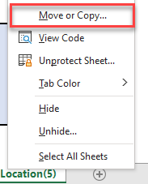
Q5 | Is the population you service 25,000 or less?
Q6 | Is the population you service verifiable through the United States Census Bureau Census.gov?

Q7 | If “No” to question 6, what source do you use for your population data?
Q8 | Is the location you service located in or touching a Census Tract with a “Relatively Moderate” Wildfire Risk rating or higher when utilizing the “Census Tract View” of the FEMA National Risk Index Map | National Risk Index (fema.gov)?

Q9 | What is your Wildfire Risk rating?
Q10 | Does your entity possess vehicles able to be mounted with a slip-on tanker meeting the minimum specifications located on “Attachment 1- Slip-on Firefighting Unit- Minimum Specifications”?

Q11 | If “No” to question 10, when would you have vehicles available?
Q12 | What vehicle types (make/model) do you plan to utilize for the slip-on tankers? | Step 2: | From the Move or Copy Pop up box select the two options oulined in red in the picture below. Those options are "(move to end)" and a checkbox labeled "Create a copy". Then select "OK".
Q13 | If you do not meet the basic minimum criteria, what adjustment could be made so that you meet the criteria?
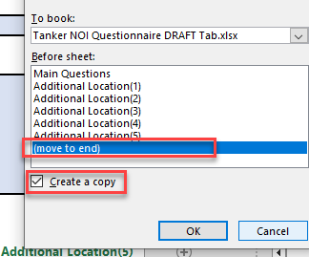
Q14 | Do you have slip-on Tankers now?
Q15 | If “Yes”, how many?
Q16 | If “Yes”, are new ones from this program to replace existing or increase capacity?
Q17 | What need would a slip-on tanker(s) under this program provide for your organization?
Q18 | How many Slip-on Tankers does your organization plan to request through this grant in the following calendar years:

 | 2024
 | 2025
 | 2026
 | 2027
 | 2028
 | 2029
 | 2030 | Step 3: | Select the new "Additional Location that has been added and navigate to cell "C2"

 |  | Step 4: | Change the name in cell "C2" in the picture above to the next number.

 |  | Repeat these steps for any other additional location sheets needed.

